Bug Report
Bug ID | Title | Summary | Environment | Priority | Severity | Steps to Reproduce | Expected Result | Actual Result | Notes | Visual proof
Bug-R3.0.1_TC04 | Login allows username in capital letters | System allows employee to log in when username is in uppercase letters | Operating System: Windows 10Browsers tested: Chrome | High | Major | 1. Open the link https://opensource-demo.orangehrmlive.com/web/index.php/auth/login 2. Enter username in capital letters 3. Enter valid password 4. Click Login | System should display error message "incorrect username or password" | System logged in to John Doe account
Bug-R3.0.1_TC08 | Account not locked after multiple failed login attempts | System does not lock account after multiple wrong password attempts |  | High | Major | 1. Open login page 2. Enter valid username 3. Enter invalid password 4. Click Login 5. Repeat 5 times | System should lock account or display warning | Account was not locked
Bug-R3.1.1_TC04 | Mandatory fields can be saved empty | System allows saving Personal Details without mandatory fields |  | High | Major | 1. Click My Info 2. Clear mandatory field (e.g., First Name) 3. Click Save | System should display error "Required fields are empty" | System allowed saving empty mandatory fields
Bug-R3.1.1_TC05 | Attachment larger than 1MB can be uploaded | System allows uploading files larger than 1MB |  | Medium | Major | 1. Click My Info 2. Go to Add Attachment 3. Upload file >1MB 4. Click Save | System should display error "The attachment is larger than required" | System uploaded file larger than 1MB
Bug-R3.1.1_TC09 | First Name accepts numbers/symbols | System allows invalid characters in first name |  | High | Major | 1. Click My Info 2. Enter First Name: G@#5 3. Click Save | System should display error "Wrong data type" | System allowed numbers/symbols in first name
Bug-R3.1.1_TC10 | Middle Name accepts numbers/symbols | System allows invalid characters in middle name |  | High | Major | 1. Click My Info 2. Enter Middle Name: G@#5 3. Click Save | System should display error "Wrong data type" | System allowed numbers/symbols in middle name
Bug-R3.1.1_TC11 | Last Name accepts numbers/symbols | System allows invalid characters in last name |  | High | Major | 1. Click My Info 2. Enter Last Name: G@#5 3. Click Save | System should display error "Wrong data type" | System allowed numbers/symbols in last name
Bug-R3.1.2_TC02 | Profile picture >1MB can be uploaded | System allows uploading profile picture larger than 1MB |  | Medium | Major | 1. Click My Info 2. Click profile picture 3. Click (+) icon 4. Select picture >1MB 5. Click Save | System should display error or warning | System changed profile picture successfully
Bug-R3.1.2_TC04 | Save without choosing profile picture | System should save even if no picture is selected |  | Low | Minor | 1. Click My Info 2. Click profile picture 3. Click (+) icon 4. Click Save without selecting picture | System saves without error | System displayed error message
Bug-R3.1.3_TC03 | State/Province not dropdown for US | State/Province should appear as dropdown when country = United States |  | Medium | Major | 1. Click My Info 2. Click Contact Details 3. Select Country: United States 4. Check State/Province field | State/Province displayed as dropdown | State/Province displayed as text field
Bug-R3.1.3_TC07 | Zip code accepts letters/symbols | System allows invalid data in Zip code field |  | High | Major | 1. Click My Info 2. Go to Contact Details 3. Enter Zip: G#@ 4. Click Save | System should show error "Invalid data type" | System accepted letters/symbols
Bug-R3.1.3_TC17 | Home phone accepts invalid number | System allows invalid home phone number |  | Medium | Major | 1. Click My Info 2. Go to Contact Details 3. Enter Home: 5 4. Click Save | System should show error "Phone number format is invalid" | System saved invalid number
Bug-R3.1.3_TC18 | Telephone accepts invalid number | System allows invalid telephone number |  | Medium | Major | 1. Click My Info 2. Go to Contact Details 3. Enter Telephone: 5 4. Click Save | System should show error "Phone number format is invalid" | System saved invalid number
Bug-R3.1.3_TC19 | Mobile accepts invalid number | System allows invalid mobile number |  | Medium | Major | 1. Click My Info 2. Go to Contact Details 3. Enter Mobile: 5 4. Click Save | System should show error "Phone number format is invalid" | System saved invalid number
Bug-R3.1.3_TC20 | Work telephone accepts invalid number | System allows invalid work telephone number |  | Medium | Major | 1. Click My Info 2. Go to Contact Details 3. Enter Work Telephone: 5 4. Click Save | System should show error "Phone number format is invalid" | System saved invalid number
Bug-R3.1.3_TC27 | Attachment allows file >1MB | System allows user to upload files larger than 1MB in Attachment section |  | Medium | Major | 1. Click My Info 2. Go to Contact Details page 3. Scroll to Attachment section 4. Click Browse and select file >1MB 5. Click Save | System should display error "The file is larger than required" | File uploaded successfully
Bug-R3.1.4_TC08 | Emergency contact saved without phone numbers | System allows saving an emergency contact without entering mandatory phone numbers |  | High | Major | 1. Fill Name: Ghada, Relationship: Sister 2. Click Save | System should display error "There is an empty mandatory field" | Emergency contact saved without phone numbers
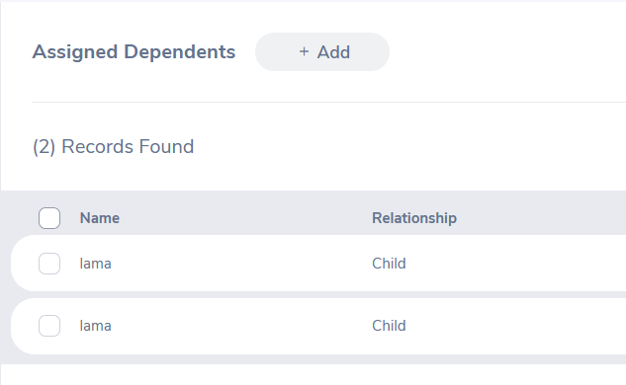
Bug-R3.1.4_TC11 | Attachment >1MB allowed in Emergency Contacts | System allows uploading attachments >1MB in Emergency Contact section |  | Medium | Major | 1. Scroll to Attachment section 2. Click Add 3. Click Browse and select file >1MB 4. Click Save | System should display error "The file is larger than required" | File uploaded successfully
Bug-R3.1.5_TC07 | Multiple dependents with same data allowed | System allows adding duplicate dependents |  | High | Major | 1. Click My Info 2. Go to Dependents page 3. Click Add 4. Enter Name: Ghada, Relationship: Child 5. Click Save 6. Add another dependent with same data 7. Click Save | System should display error "This dependent exists" | Multiple dependents added successfully

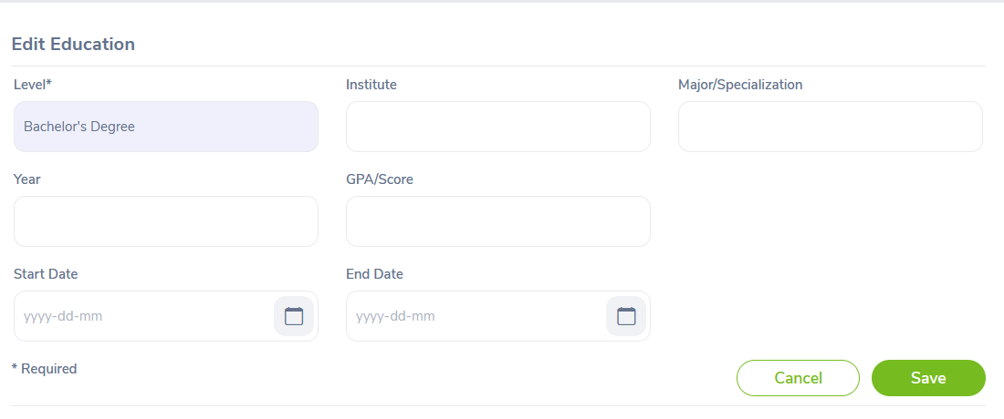
Bug-R3.1.6_TC05 | Invalid Number format accepted | System accepts non-numeric data in Number field | Operating System: Windows 10 Browsers tested: Chrome | High | Major | 1. Enter Number = "ramallah" 2. Click Add | System displays validation error | Immigration record added successfully
Bug-R3.1.9_TC03 | Supervisor cannot view assigned subordinates | Employee-supervisor cannot view subordinates or attachments |  | High | Major | 1. Login as employee-supervisor 2. Go to My Info 3. Click Report To 4. View assigned subordinates | List of assigned subordinates and attachments displayed; fields read-only | Feature blocked / not accessible
Bug-R3.1.10_TC07 | Duplicate work experience entries allowed | System allows adding the same work experience twice |  | Medium | Major | 1. Click Add 2. Enter entry 1 3. Save 4. Add same entry again 5. Save | Warning message should appear | Work experience added twice
Bug-R3.1.1.10 | Edit Education – Level not editable | Level field cannot be edited by user |  | Medium | Major | 1. Click Edit 2. Update education fields 3. Click Save | All updated fields saved | Level cannot be edited
Bug-R3.1.10 | Delete education entry fails | User receives “Record not found” when deleting an entry |  | High | Major | 1. Select education entry 2. Click Delete 3. Confirm | Selected entry removed | “Record not found” error
Bug-R3.1.10_TC15 | Delete multiple education entries fails | Cannot delete multiple education entries |  | High | Major | 1. Select 2+ entries 2. Click Delete 3. Confirm | All entries removed | “Record not found” error
Bug-R3.1.10_TC16 | GPA accepts words instead of numbers | System saves non-numeric GPA values |  | High | Major | 1. Add Education 2. Enter GPA = “Three Point Eight” 3. Save | System displays error: GPA must be numeric | Data saved successfully
Bug-R3.1.10_TC26 | Edit Language – fields not editable | User cannot edit language or fluency |  | Medium | Major | 1. Click Edit icon 2. Update fields 3. Save | Fields updated correctly | Language and Fluency cannot be edited
Bug-R3.0.1_TC04 | Login does not reject capitalized username (Admin) | Login succeeds using capital username |  | High | Major | 1. Open login page 2. Enter username in capitals 3. Enter valid password 4. Click Login | Error message should appear | User logged in
Bug-R3.0.1_TC08 | Account does not lock after multiple failed attempts | System does not restrict login after repeated failed attempts |  | High | Major | 1. Enter valid username 2. Enter invalid password 3. Click Login 4. Repeat 5 times | System should lock account or show warning | Nothing happens

R3.2.1_TC21 | Editing Admin user with another user's ESS name allowed | System allows changing Admin’s employee name to an ESS employee name |  | High | Major | 1. Login as Admin 2. Click Admin module 3. Scroll to Admin User Role 4. Click Edit icon 5. Replace employee name with another user’s ESS employee name 6. Click Save | Error: “Invalid employee name used” | Employee name changed successfully
R3.2.1_TC26 | Password change allows reusing old password | Admin can change password to the same old password |  | High | Major | 1. Login as Admin 2. Go to Admin page 3. Edit user 4. Enable “Change Password” 5. Enter same old password in New & Confirm fields 6. Save | Error: “Old password not allowed” | Password changed successfully
R3.2.1_TC40 | Search accepts username > 40 characters | Username field accepts more than 40 characters in search |  | Medium | Minor | 1. Login as Admin 2. Enter username > 40 characters 3. Search | Error: “Username exceeds 40 characters” | “No Records Found” displayed
R3.2.1_TC41 | Search by partial username fails | Partial username search returns no users |  | High | Major | 1. Login as Admin 2. . Enter part of existing username 3. Click Search | System should list all users matching the partial input | No Records Found
R3.2.1_TC44 | Search by partial employee name fails (no suggestion selected) | Partial employee name search returns no results |  | High | Major | 1. Login as Admin 2. Enter part of employee name 4. Ignore suggestions 5. Search | System lists all matching employees | No Records Found
R3.2.1_TC49 | Search by employee name fails (suggestion selected) | Selecting employee name suggestion still returns no results |  | High | Major | 1. Login as Admin 2. Click Admin 3. Enter part of employee name 4. Click on suggestion 5. Search | User associated with that employee should appear | No records listed
R3.2.1_TC50 | Add user with password > 64 chars allowed | System accepts password longer than 64 characters |  | High | Major | 1. Login as Admin 2 Add User 3. Fill fields 4. Enter password > 64 chars 5. Save | Error: “Password exceeds 64 characters” | User added successfully
R3.2.2.2_TC10 | Cancel deletion of currency still deletes it | Currency is deleted even after clicking "Cancel" |  | High | Major | 1. Login as Admin 2.click on Job and Pay Grades 3. Click Edit 4. In Currencies, click Delete 5. Click Yes 6. Click Cancel | Deletion should be cancelled | Currency deleted successfully
R3.2.2.3_TC04 | Employment status accepts special characters and numbers | System allows adding invalid name format |  | Medium | Major | 1. click on Job and Employment Status 2. Click Add 3. Enter name with numbers & special chars 4. Save | Error: “Special chars and numbers not allowed” | Employee status is a select option
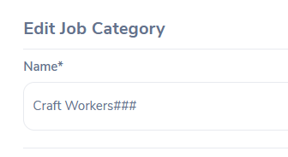
R3.2.2.4_TC06 | Edit job category with special chars allowed | System saves category name with symbols |  | Medium | Major | 1. click on Job and Job Categories 2. Edit a category 3. Enter special characters 4. Save | Error: “Characters not allowed” | Symbols accepted and saved
R3.2.2.4_TC10 | Add job category with special chars allowed | System allows invalid characters during creation |  | Medium | Major | 1.click on Job and Job Categories 2. Add new category 3. Enter name with special chars 4. Save | Error: “Characters not allowed” | Category saved successfully

R3.2.4.5_TC06 | Edit membership name with special chars allowed | Invalid membership name saved |  | Medium | Major | 1. click on my info and Memberships 2. Edit membership 3. Enter special chars 4. Save | Error: “Not allowed” | Name saved successfully
R3.2.4.5_TC10 | Add membership name with special chars allowed | System allows adding invalid membership name |  | Medium | Major | 1. click on my info and Memberships 2. Add membership 3. Enter special chars 4. Save | Error: “Not allowed” | Membership is a select field option
R3.2.3.1_TC05 | Edit company name with special chars | System accepts invalid company name |  | High | Major | 1. click Organization and General Info 2. Edit 3. Enter name with special chars 4. Save | Error: “Not allowed” | General info updated successfully
R3.2.3.2_TC06 | Add location with name less than 3 chars | Location name shorter than allowed is accepted |  | High | Major | 1. click on Locations 2. Add new location 3. Enter name < 3 chars 4. Save | Error: “Name must be ≥ 5 chars” | Location created successfully
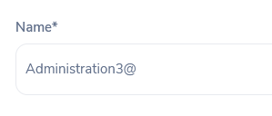
R3.2.3.3_TC09 | System allows adding organization unit with symbols & numbers | The system accepts invalid characters (symbols & numbers) when creating a new organizational unit name. |  | High | Major | 1. Navigate to Organization 2. Select Structure from the dropdown 3. Click Add 4. Enter unit name with symbols and numbers (e.g., G@14) 5. Click Save | Error message should appear: “Invalid data format” | Organizational unit was created successfully
R3.2.4.4_TC02 | System allows adding the same language more than once | The system does not prevent duplicate language entries when adding languages under Qualifications. |  | Medium | Major | 1. Navigate to Qualifications 2. Select Language from dropdown 3. Click Add 4. Enter language: Spanish 5. Click Save 6. Click Add again 7. Click Save without changes | Error/warning: “The language exists” | Language added again with different competency; record updated
R3.2.4.4_TC06 | Editing language name does not work as expected | System allows editing only the competency field and not the actual language name. |  | Medium | Minor | 1. Navigate to Qualifications 2. Select Language 3. Click Edit next to an existing language 4. Enter a new language name 5. Click Save | Language name should be updated | Only competency can be edited; name cannot be changed

Test Summary Report
Test Report
Executed Tests | Passed |  |  |  |  | 323 | Passed | 323
 | Failed |  |  |  |  | 52 | Failed | 52
 | Total Executed Tests (Passed+ Failed) |  |  |  |  | 375 | Blocked | 2
Pending Tests |  |  |  |  |  | 0
In Progress Tests |  |  |  |  |  | 0
Blocked |  |  |  |  |  | 2
Total Number of tests (Executed Tests+ Pending Tests+ In Progress Tests+ Blocked) |  |  |  |  |  | 377

%TC Passed vs. Functions
Functions | Description | %TC Executed | %TC Passed | TC's Pinding | Proirity | Remarks
Log in as an Employee | ESS-User can log in with a valid username and password provided by the HR Admin | 100% | 80% | 0% | High
Log in as an Admin | Admin User can log in to his account | 100% | 77% | 0% | High
Personal Details | The Employee user can add and edit his personal details | 100% | 72% | 0% | High
Photograph | The Employee user can add or edit his profile picture | 100% | 50% | 0% | Low
Contact Details | The Employee user can add and edit his contact details and upload supporting documents. | 100% | 77% | 0% | High
Emergency Contact | The Employee user can add and edit his Emergency contact details and upload supporting documents. | 100% | 86% | 0% | High
Dependents | The Employee user can add and edit his dependents details and upload supporting documents. | 100% | 94% | 0% | Medium
Immigration | The ESS-User can add/delete their Immigration details and upload supporting documents. | 100% | 93% | 0% | Medium
Job Details | The ESS-User is able to view job details, without the ability to edit them | 100% | 100% | 0% | High
Salary | The ESS-User is able to view Salary details, without the ability to edit them | 100% | 100% | 0% | High
Report To | The ESS-User, is able to view the list of assigned supervisor. | 100% | 66% | 0% | Low
Qualifications | The ESS-User can add, update, and delete their qualifications, including Work Experience, Education, Skills, Languages, Licenses, and Attachments. | 100% | 86% | 0% | High
Membership | The ESS-User,can add, update, and delete his membership details and upload supporting attachments. | 100% | 100% | 0% | Low
User Management Module | Admin create user accounts with roles (Admin/ESS), and can edit or delete user accounts. | 100% | 84% | 0% | High
Job Module- job title | Admin can add/edit/delete job titles | 100% | 100% | 0% | High
Job Module- Pay Grades | Admin can add,edit or delete pay grades with identifying salary ranges. | 100% | 91% | 0% | High
Job Module- Employment Status | Admin can add,edit or delete employment status. | 100% | 90% | 0% | High
Job Module-Job Categories | Admin can create, edit or delete job categories. | 100% | 88% | 0% | High
Job Module-Work Shifts | Admin can assign work shirts for employees. | 100% | 94% | 0% | High
Organization Module-General Information | Admin can edit companies general information. | 100% | 83% | 0% | Medium
Organization Module-Locations | The admin control the Locations feature and perform opreations related to it | 100% | 80% | 0% | High
Organization Module- Structure | The admin control the Structure feature and perform opreations related to the units and sub units | 100% | 88% | 0% | Low
Qualifications Module-Skills | The admin control the skills feature and perform opreations related to it | 100% | 100% | 0% | Medium
Qualifications Module- License | The admin control the License feature and perform opreations related to it | 100% | 100% | 0% | Medium
Qualifications Module- Languages | The admin control the Languages feature and perform opreations related to it | 100% | 71% | 0% | Low
Qualifications Module- Memberships | the admin control the Memberships feature and perform opreations related to it | 100% | 84% | 0% | High

